Monthly Challenge
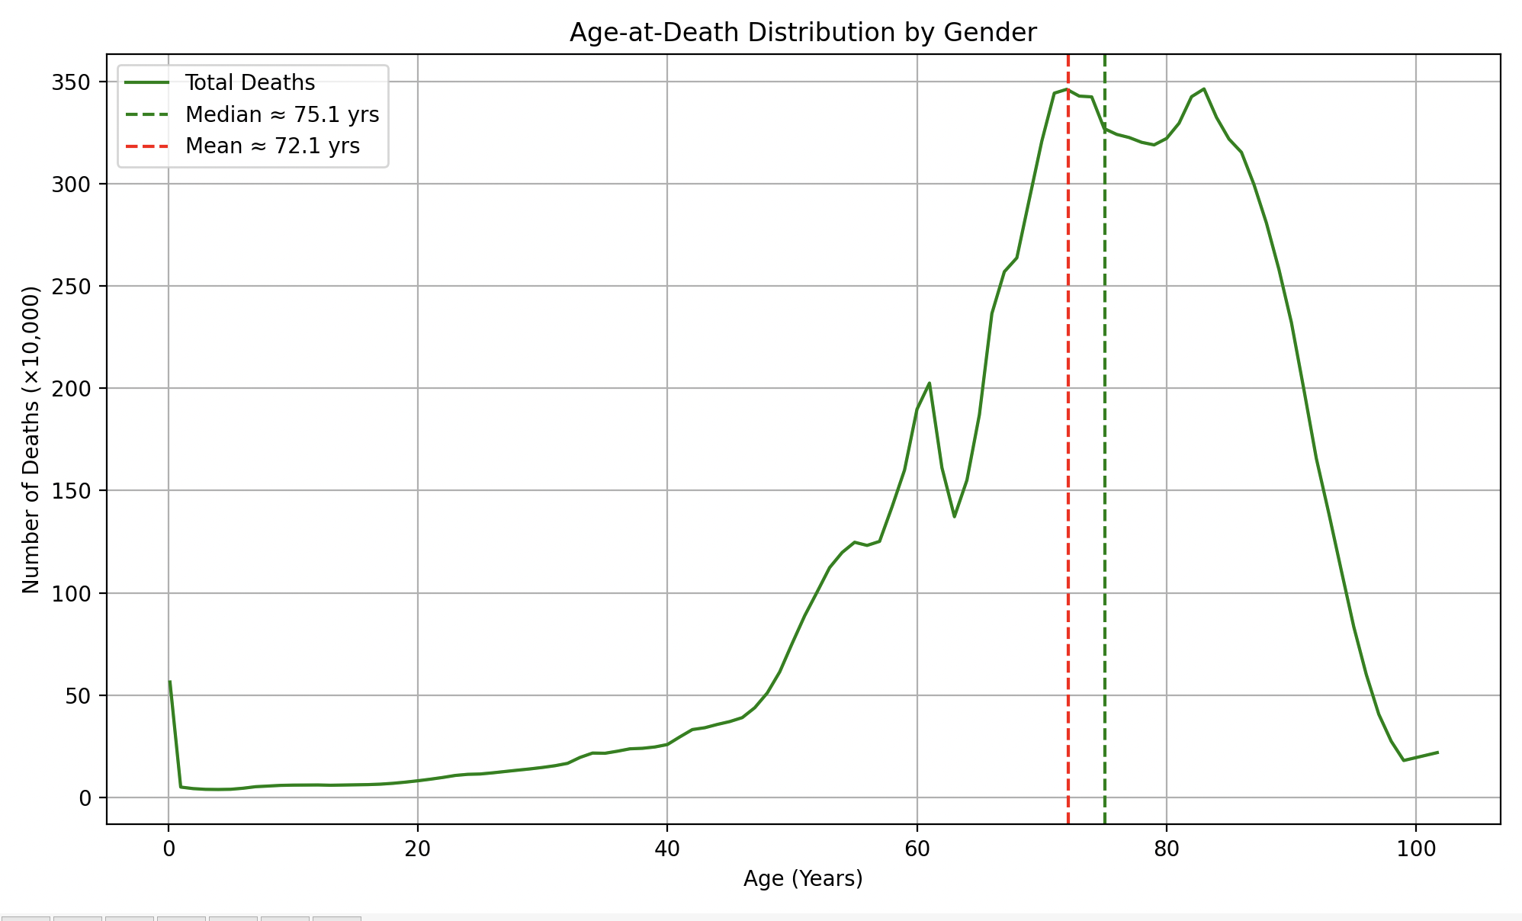
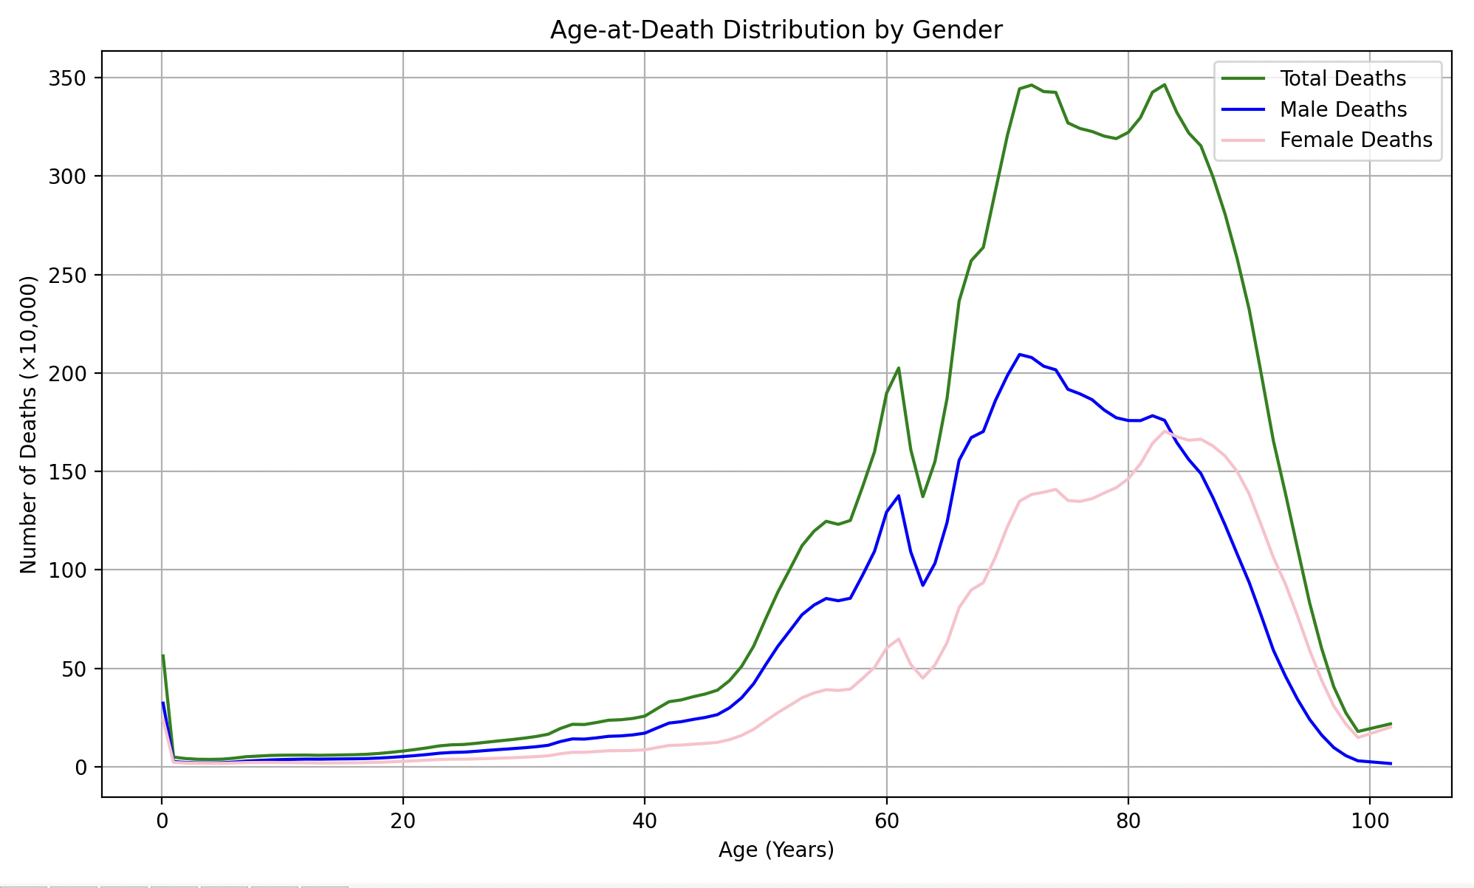
Age | Male | Female | SubTotal | Verification | B*C | B*D | B*E
0.14 | 32.356 | 23.992 | 56.348 | 0.00 | 4.52984 | 3.35888 | 7.88872
1 | 2.698 | 2.267 | 4.965 | 0.00 | 2.698 | 2.267 | 4.965
2 | 2.226 | 1.986 | 4.212 | 0.00 | 4.452 | 3.972 | 8.424
3 | 2.027 | 1.827 | 3.853 | 0.00 | 6.081 | 5.481 | 11.559
4 | 1.996 | 1.789 | 3.785 | 0.00 | 7.984 | 7.156 | 15.14
5 | 2.083 | 1.803 | 3.886 | 0.00 | 10.415 | 9.015 | 19.43
6 | 2.423 | 1.973 | 4.396 | 0.00 | 14.538 | 11.838 | 26.376
7 | 2.938 | 2.205 | 5.143 | 0.00 | 20.566 | 15.435 | 36.001
8 | 3.228 | 2.233 | 5.462 | 0.00 | 25.824 | 17.864 | 43.696
9 | 3.525 | 2.268 | 5.793 | 0.00 | 31.725 | 20.412 | 52.137
10 | 3.703 | 2.215 | 5.918 | 0.00 | 37.03 | 22.15 | 59.18
11 | 3.827 | 2.127 | 5.954 | 0.00 | 42.097 | 23.397 | 65.494
12 | 3.934 | 2.061 | 5.995 | 0.00 | 47.208 | 24.732 | 71.94
13 | 3.892 | 1.965 | 5.857 | 0.00 | 50.596 | 25.545 | 76.141
14 | 3.982 | 1.977 | 5.959 | 0.00 | 55.748 | 27.678 | 83.426
15 | 4.055 | 2.010 | 6.065 | 0.00 | 60.825 | 30.15 | 90.975
16 | 4.106 | 2.061 | 6.168 | 0.00 | 65.696 | 32.976 | 98.688
17 | 4.225 | 2.165 | 6.390 | 0.00 | 71.825 | 36.805 | 108.63
18 | 4.466 | 2.334 | 6.800 | 0.00 | 80.388 | 42.012 | 122.4
19 | 4.817 | 2.556 | 7.373 | 0.00 | 91.523 | 48.564 | 140.087
20 | 5.235 | 2.806 | 8.041 | 0.00 | 104.7 | 56.12 | 160.82
21 | 5.724 | 3.090 | 8.814 | 0.00 | 120.204 | 64.89 | 185.094
22 | 6.274 | 3.392 | 9.666 | 0.00 | 138.028 | 74.624 | 212.652
23 | 6.927 | 3.724 | 10.651 | 0.00 | 159.321 | 85.652 | 244.973
24 | 7.311 | 3.885 | 11.196 | 0.00 | 175.464 | 93.24 | 268.704
25 | 7.461 | 3.900 | 11.360 | 0.00 | 186.525 | 97.5 | 284
26 | 7.884 | 4.044 | 11.928 | 0.00 | 204.984 | 105.144 | 310.128
27 | 8.361 | 4.223 | 12.584 | 0.00 | 225.747 | 114.021 | 339.768
28 | 8.816 | 4.417 | 13.233 | 0.00 | 246.848 | 123.676 | 370.524
29 | 9.233 | 4.624 | 13.856 | 0.00 | 267.757 | 134.096 | 401.824
30 | 9.690 | 4.883 | 14.573 | 0.00 | 290.7 | 146.49 | 437.19
31 | 10.222 | 5.198 | 15.419 | 0.00 | 316.882 | 161.138 | 477.989
32 | 10.952 | 5.617 | 16.569 | 0.00 | 350.464 | 179.744 | 530.208
33 | 12.840 | 6.633 | 19.473 | 0.00 | 423.72 | 218.889 | 642.609
34 | 14.201 | 7.396 | 21.597 | 0.00 | 482.834 | 251.464 | 734.298
35 | 14.099 | 7.402 | 21.501 | 0.00 | 493.465 | 259.07 | 752.535
36 | 14.736 | 7.779 | 22.515 | 0.00 | 530.496 | 280.044 | 810.54
37 | 15.505 | 8.176 | 23.681 | 0.00 | 573.685 | 302.512 | 876.197
38 | 15.717 | 8.209 | 23.926 | 0.00 | 597.246 | 311.942 | 909.188
39 | 16.238 | 8.347 | 24.585 | 0.00 | 633.282 | 325.533 | 958.815
40 | 17.127 | 8.648 | 25.776 | 0.00 | 685.08 | 345.92 | 1031.04
41 | 19.728 | 9.796 | 29.524 | 0.00 | 808.848 | 401.636 | 1210.484
42 | 22.234 | 10.858 | 33.092 | 0.00 | 933.828 | 456.036 | 1389.864
43 | 22.938 | 11.056 | 33.994 | 0.00 | 986.334 | 475.408 | 1461.742
44 | 24.091 | 11.519 | 35.610 | 0.00 | 1060.004 | 506.836 | 1566.84
45 | 25.100 | 11.908 | 37.009 | 0.00 | 1129.5 | 535.86 | 1665.405
46 | 26.514 | 12.432 | 38.946 | 0.00 | 1219.644 | 571.872 | 1791.516
47 | 29.957 | 13.826 | 43.783 | 0.00 | 1407.979 | 649.822 | 2057.801
48 | 35.038 | 15.945 | 50.983 | 0.00 | 1681.824 | 765.36 | 2447.184
49 | 42.233 | 19.076 | 61.309 | 0.00 | 2069.417 | 934.724 | 3004.141
50 | 51.904 | 23.375 | 75.279 | 0.00 | 2595.2 | 1168.75 | 3763.95
51 | 61.216 | 27.548 | 88.764 | 0.00 | 3122.016 | 1404.948 | 4526.964
52 | 69.200 | 31.238 | 100.438 | 0.00 | 3598.4 | 1624.376 | 5222.776
53 | 77.255 | 35.079 | 112.334 | 0.00 | 4094.515 | 1859.187 | 5953.702
54 | 82.186 | 37.535 | 119.721 | 0.00 | 4438.044 | 2026.89 | 6464.934
55 | 85.507 | 39.206 | 124.713 | 0.00 | 4702.885 | 2156.33 | 6859.215
56 | 84.366 | 38.801 | 123.167 | 0.00 | 4724.496 | 2172.856 | 6897.352
57 | 85.633 | 39.506 | 125.139 | 0.00 | 4881.081 | 2251.842 | 7132.923
58 | 97.177 | 44.848 | 142.024 | 0.00 | 5636.266 | 2601.184 | 8237.392
59 | 109.493 | 50.515 | 160.008 | 0.00 | 6460.087 | 2980.385 | 9440.472
60 | 129.456 | 60.336 | 189.792 | 0.00 | 7767.36 | 3620.16 | 11387.52
61 | 137.680 | 64.895 | 202.575 | 0.00 | 8398.48 | 3958.595 | 12357.075
62 | 109.136 | 51.986 | 161.122 | 0.00 | 6766.432 | 3223.132 | 9989.564
63 | 92.164 | 45.044 | 137.209 | 0.00 | 5806.332 | 2837.772 | 8644.167
64 | 103.332 | 51.742 | 155.075 | 0.00 | 6613.248 | 3311.488 | 9924.8
65 | 124.068 | 63.038 | 187.106 | 0.00 | 8064.42 | 4097.47 | 12161.89
66 | 155.701 | 80.896 | 236.597 | 0.00 | 10276.266 | 5339.136 | 15615.402
67 | 167.223 | 89.840 | 257.063 | 0.00 | 11203.941 | 6019.28 | 17223.221
68 | 170.310 | 93.517 | 263.828 | 0.00 | 11581.08 | 6359.156 | 17940.304
69 | 185.998 | 106.488 | 292.486 | 0.00 | 12833.862 | 7347.672 | 20181.534
70 | 198.829 | 122.072 | 320.901 | 0.00 | 13918.03 | 8545.04 | 22463.07
71 | 209.445 | 134.940 | 344.385 | 0.00 | 14870.595 | 9580.74 | 24451.335
72 | 207.892 | 138.376 | 346.268 | 0.00 | 14968.224 | 9963.072 | 24931.296
73 | 203.471 | 139.477 | 342.948 | 0.00 | 14853.383 | 10181.821 | 25035.204
74 | 201.640 | 140.927 | 342.567 | 0.00 | 14921.36 | 10428.598 | 25349.958
75 | 191.761 | 135.294 | 327.054 | 0.00 | 14382.075 | 10147.05 | 24529.05
76 | 189.433 | 134.788 | 324.221 | 0.00 | 14396.908 | 10243.888 | 24640.796
77 | 186.485 | 136.198 | 322.684 | 0.00 | 14359.345 | 10487.246 | 24846.668
78 | 181.242 | 139.097 | 320.338 | 0.00 | 14136.876 | 10849.566 | 24986.364
79 | 177.301 | 141.776 | 319.077 | 0.00 | 14006.779 | 11200.304 | 25207.083
80 | 175.893 | 146.352 | 322.245 | 0.00 | 14071.44 | 11708.16 | 25779.6
81 | 175.845 | 153.855 | 329.701 | 0.00 | 14243.445 | 12462.255 | 26705.781
82 | 178.339 | 164.320 | 342.660 | 0.00 | 14623.798 | 13474.24 | 28098.12
83 | 176.000 | 170.464 | 346.464 | 0.00 | 14608 | 14148.512 | 28756.512
84 | 164.841 | 167.669 | 332.510 | 0.00 | 13846.644 | 14084.196 | 27930.84
85 | 156.056 | 165.869 | 321.925 | 0.00 | 13264.76 | 14098.865 | 27363.625
86 | 149.018 | 166.419 | 315.437 | 0.00 | 12815.548 | 14312.034 | 27127.582
87 | 136.741 | 162.978 | 299.719 | 0.00 | 11896.467 | 14179.086 | 26075.553
88 | 122.910 | 157.927 | 280.837 | 0.00 | 10816.08 | 13897.576 | 24713.656
89 | 108.164 | 150.055 | 258.219 | 0.00 | 9626.596 | 13354.895 | 22981.491
90 | 93.656 | 138.592 | 232.247 | 0.00 | 8429.04 | 12473.28 | 20902.23
91 | 76.732 | 122.726 | 199.458 | 0.00 | 6982.612 | 11168.066 | 18150.678
92 | 59.271 | 106.381 | 165.652 | 0.00 | 5452.932 | 9787.052 | 15239.984
93 | 46.040 | 92.804 | 138.844 | 0.00 | 4281.72 | 8630.772 | 12912.492
94 | 34.287 | 76.600 | 110.887 | 0.00 | 3222.978 | 7200.4 | 10423.378
95 | 24.117 | 59.202 | 83.318 | 0.00 | 2291.115 | 5624.19 | 7915.21
96 | 16.128 | 43.910 | 60.037 | 0.00 | 1548.288 | 4215.36 | 5763.552
97 | 9.781 | 30.842 | 40.623 | 0.00 | 948.757 | 2991.674 | 3940.431
98 | 5.672 | 21.703 | 27.375 | 0.00 | 555.856 | 2126.894 | 2682.75
99 | 3.061 | 14.901 | 17.961 | 0.00 | 303.039 | 1475.199 | 1778.139
101.69 | 1.691 | 20.139 | 21.830 | 0.00 | 171.95779 | 2047.93491 | 2219.8927
SubTotal | 6609.64 | 5068.71 | 11678.35 | 0.00 | 461615.62 | 380888.65 | 842504.13

Average | 70.34 | 75.65 | 72.64
Median(~) | 72.80 | 78.50 | 75.30

Q：What can be infered from above data of mortality?
1. (低龄死亡人数偏高)低龄死亡的人数比率大于高龄死亡的人数（年轻的死亡降低了总体平均水平）。 |  |  |  |  | 1. The proportion of young deaths is greater than that of old deaths.
2.参加工作对人的寿命没有影响
3.当前社会尚未进入老龄化
4.There is a demographic dividend in our society

readme
平均死亡年龄=∑（岁数 * 死亡人数）/ 死亡人数

①、查 2023 年的人口生命表：0 岁死亡的人平均存活时间（Average number of years lived）为 0.14 岁（男女相同）；
（刚出生的婴儿，首周和首月的死亡风险更高！）
故，0 岁取值为 0.14 岁。
②、查 2023 年的人口生命表：100+ 岁死亡的人平均存活时间（Average number of years lived）为 101.69 岁（其中男性为 101.04 岁，女性为 101.76 岁）；
故，100+ 取值为 101.69 岁（男性取值为 101.04 岁，女性取值为 101.76 岁）。
③、查 2023 年的人口生命表：其他从 1 到 99 岁，平均存活时间（Average number of years lived）为 1.5～99.5 岁（男女相同）；

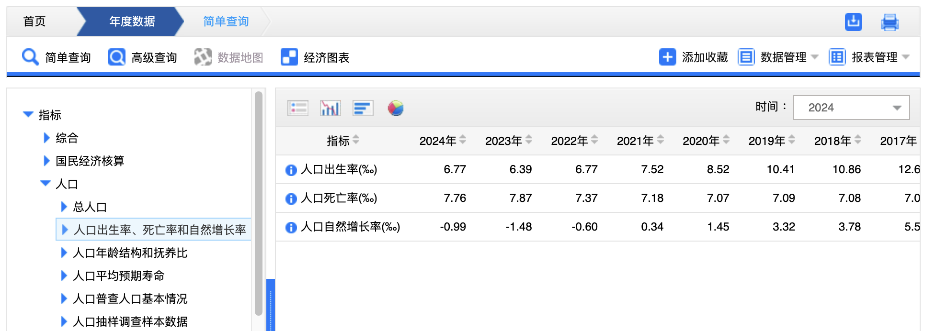
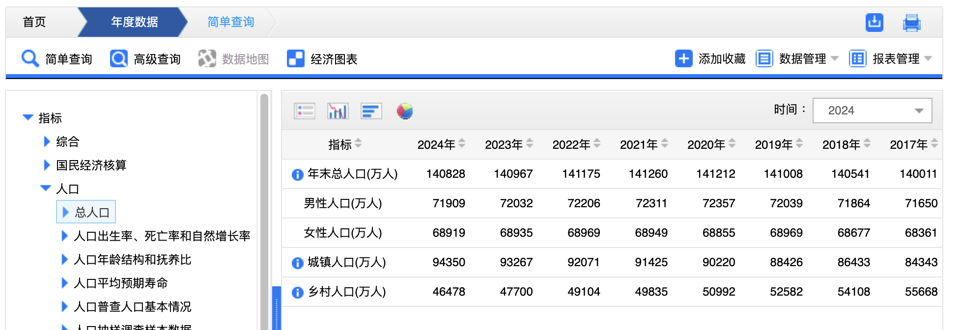

（万）
2023年末总人口：140967，男72032，女68935，出生率6.39，死亡率7.87，增长率-1.48

2024年末总人口：140828，男71909，女68919 ，出生率6.77，死亡率7.76，增长率-0.99
出生人口：954

2024年去世人口的平均年龄：74.5岁，男72.2岁，女77.5岁
中位数：76.4岁，男67.7岁，女79.7岁。

https://www.gov.cn/lianbo/bumen/202502/content_7008605.htm
中华人民共和国2024年国民经济和社会发展统计公报
年末全国人口[5]140828万人，比上年末减少139万人，其中城镇常住人口94350万人。全年出生人口954万人，出生率为6.77‰；死亡人口1093万人，死亡率为7.76‰；自然增长率为-0.99‰。

